Overview
Overview
Release FY 2024

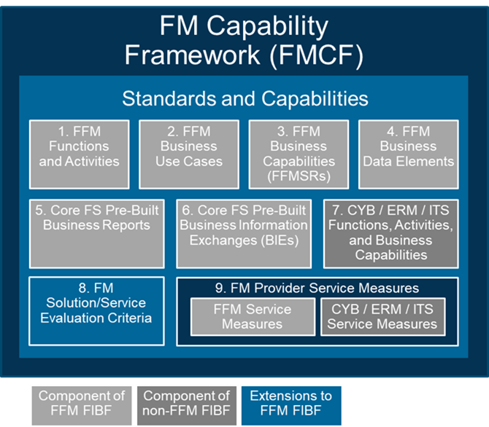
 | FM Provider Service Measures - FFM Service Measures
 | FMCF Context | The Financial Management Capability Framework (FMCF) provides a common set of FM standards and capabilities that are the foundation for all offerings in the FM QSMO Marketplace. FMCF component 9 consists of the FFM, Cybersecurity (CYB), Electronic Records Management (ERM), and Information Technology Services (ITS) Service Measures. Refer to the Guide to the FM QSMO Marketplace for a description of each FMCF component and how the components relate to each other.

 | Workbook Tab | Description
 | Cover | Provides the FMCF artifact title and version identification
 | Change Log | Describes the change(s) to the FM Provider Service Measures and the rationale for the change
 | Overview | Lists each workbook tab and provides an explanation of the content
 | FFM Service Measures
 | Objective | This tab provides the FFM activity and performance measures to be used in evaluating FM solutions and services that have been implemented at a Federal agency. Not all activity and performance measures apply to all FM solutions/services; the appropriate subset of measures will be identified after the FM solution/service components have been defined (refer to "FM Solution/Service Definition Template" for more information on this topic).
 | Functional Area | As defined by the Federal Integrated Business Framework (FIBF), this column contains the administrative and support domains which provide services that enable service customers (e.g., program offices) to deliver on their mission and accomplish end-to-end business processes.
 | Function | As defined by the FIBF, this column contains a further breakdown of an administrative or mission-support Functional Area into categories of services provided to service customers.
 | Activity | As defined by the FIBF, this column contains processes within a Function that provide identifiable outputs/outcomes to service customers
 | Service Measure ID | This column contains an identifier for the service measure.
 | Service Measure Name | This column contains a short name for service factor or condition being assessed.
 | Service Measure Description | This column contains the statement of the specific service factor or condition being assessed.
 | Service Measure Target | This column contains the service measure threshold or goal, usually a numerical value.
 | Service Measure Rationale | This column contains the authoritative or other source of the service measure or reason for including the service measure.
 | Service Measure Category | This column identifies whether the service measure is: Oversight Reporting – A measure that will be observed or monitored by organization(s) overseeing the service customers and QSMO Customer Facing – A measure that directly impacts the customer mission and can be observed by the customer or will be reported to the customer and QSMO QSMO Monitoring – A measure that indirectly impacts the customer mission and can be observed by or will be reported to the QSMO Provider Operations – A measure that indirectly impacts the customer mission and can be observed by the Service Provider and reported to the QSMO upon request
 | Service Level Type | This column identifies whether a service measure measures a: Activity Level – A measure that identifies the anticipated work to be accomplished or resources needed and contains a unit value (e.g., volume, amount, count, etc.) Service Performance Level – A measure that identifies an outcome to be achieved by the responsible party and contains a unit value (e.g., percent, time, etc.)
 | Service Measure Type | This column identifies whether the service measure type is: •Availability - Service uptime, downtime, recovery time, or access affecting service use •Compliance - Process/policy standard to be met •Efficiency - Process accomplishment with minimal time/effort •Quality - Effectiveness, excellence, completeness, and/or accuracy of service •Reliability - Performance according to specifications or expectations; consistency in service results •Security - Information and system integrity and safeguarding •Timeliness - Process completion within specified timeframes •Usability - Ease of use; intuitiveness in navigating, understanding, and operating a service from user perspective •Utilization - Proportion of available time/resources that service/equipment is using or consuming •Volume - Workload, throughput, activity level, or capacity of service
 | Performing Organization | This column identifies the organization performing the activity that produces the service measure result.
 | Reporting Organization | This column identifies the organization reporting the results for review by the performing and/or accountable organization.
 | Accountable Organization | This column identifies the organization accountable for monitoring and analyzing service measurement results and managing service delivery issues.
 | Service Measurement Frequency | This column contains the time period for assessing and reporting the service measurement result.
 | Service Measurement Method | This column identifies the means to obtain the service measurement result.
 | Service Measurement Reporting Level | This column contains the level(s) of detail for reporting the service measurement result, for example: • Marketplace - All Providers and Customers in the marketplace • Service Provider - Each Provider of service(s) and their Customers • Service Customer - Each Customer acquiring and receiving service(s) • Service Customer Component - Each Customer Component(s) acquiring and receiving service(s)
 | Service Measurement Source | This column contains the source for the service measurement information.
 | Service Measurement Source Detail | This column contains the specific information (e.g., report name, data fields) to be obtained from the Service Measurement Source.
 | Service Measurement Formula | This column contains the calculation used to determine the service measurement result.
 | Service Measure Priority | This column identifies a priority for the ability to report the service measure results.
 | Service Measure Status | This column contains the current status of ability to report the service measure results.
 | Service Measure Implementation Timeframe | This column contains the timeframe for completing implementation of a service measure with a status of “Implementing” or “Future.”
 | CYB, ERM, ITS Service Measures
 | Objective | This tab provides the website links to the activity and performance measures for Cybersecurity (CYB), Electronic Records Management (ERM), and Information Technology Services (ITS) to be used in evaluating FM solutions and services that have been implemented at a Federal agency. Not all activity and performance measures apply to all FM solutions/services; the appropriate subset of measures will be identified after the FM solution/service components have been defined (refer to "FM Solution/Service Definition Template" for more information on this topic).
 | Additional Tabs in this Workbook are provided for reference purposes.
 | Auth-Other References
 | Objective | This tab provides a list of authoritative and other information sources referenced in the Measure Rationale.
 | Functions
 | Objective | This tab provides a list of the Federal Integrated Business Framework (FIBF) Functions.
 | Activities
 | Objective | This tab provides a list and descriptions of FIBF Activities.

